ED3-CS
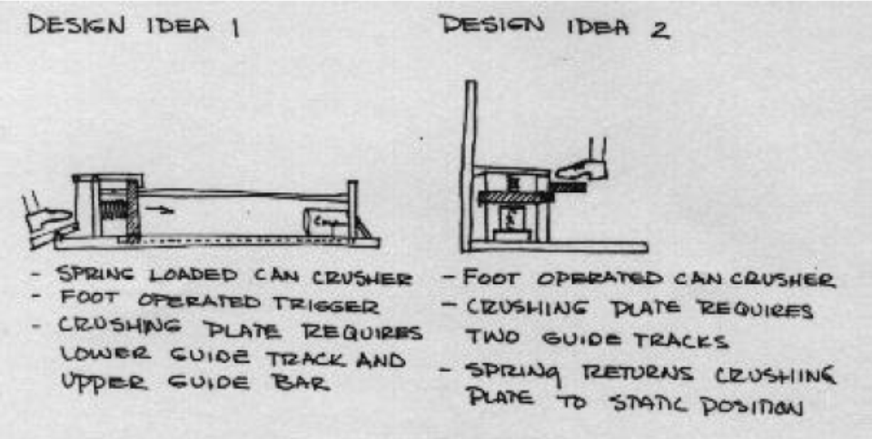
TEAM Number - 1

 |  |  |  |  |  |  | Task 3 : Justification for the scores given
 |  |  |  |  |  |  | Design No. | Objective | Score Allocated | Justification for the Score
Task 1- Assign weights to the objectives |  |  |  |  |  |  | 1 | Power consumption
 | Objectives | Weights |  |  |  |  |  | Ease of Use
 | Safety |  |  |  |  |  |  | Portability
 | Ease of use |  |  |  |  |  |  | Maintainence
 | Portability |  |  |  |  |  |  | Cost
 | Use of standard parts |  |  |  |  |  | 2 | Power consumption
 | Cost |  |  |  |  |  |  | Ease of Use
 |  |  |  |  |  |  |  | Portability
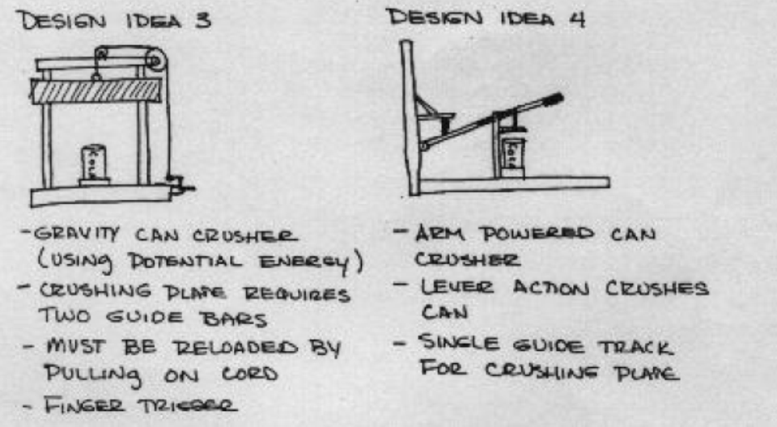
 |  | Allocate |  |  |  |  |  | Maintainence
Task 2 : Write Pugh chart for the 4 alternative designs shown in figures |  |  |  |  |  |  |  | Cost
Design Objectives | Weights | Design 1 | Design 2 | Design 3 | Design 4 |  | 3 | Power consumption
Safety |  |  |  |  |  |  |  | Ease of Use
Ease of use |  |  |  |  |  |  |  | Portability
Portability |  |  |  |  |  |  |  | Maintainence
Use of standard parts |  |  |  |  |  |  |  | Cost
Cost |  |  |  |  |  |  | 4 | Power consumption
Score(+) |  |  |  |  |  |  |  | Ease of Use
Score (-) |  |  |  |  |  |  |  | Portability
Total |  |  |  |  |  |  |  | Maintainence
 |  |  |  |  |  |  |  | Cost

 |  |  |  |  |  | Justify

 |  |  |  | design 1

